Input & Output
Input |  |  |  |  |  |  |  |  | 250,000
 | Year 1 | Year 2 | Year 3 | Year 4 | Year 5 |  |  | kbps
Total number of sessions | 500,000 |  |  |  |  |  | 2G/3G | 30
Total traffic (Gbps) | 33 |  |  |  |  |  | 4G | 60 | 450,000 | 33000000
Integrated Case: |  |  |  |  |  |  | 5G | 120 | 50,000 | 66 | kbps
Number of sites (For Integrated MCC) | 2 | 2 | 2 | 2 | 2
Sessions per site | 500,000 | 0 | 0 | 0 | 0
Throughput per site (Gbps) | 33 | 0 | 0 | 0 | 0 |  |  | HP Server 384 GB of Ram
CUPS Case:
Number of C-plane sites | 2 | 2 | 2 | 2 | 2 |  |  |  |  | NUMA
Number of U-plane sites | 2 | 2 | 2 | 2 | 2
 |  |  |  |  |  |  | server 1
 |  |  |  |  |  | Socket 1 | CPM + MCM | CPM + MCM | CPM
 |  |  |  |  |  | Socket 2 | SSM | SSM | SSM | SSM
Output |  |  |  |  |  | hypervisor | 10% of CPU
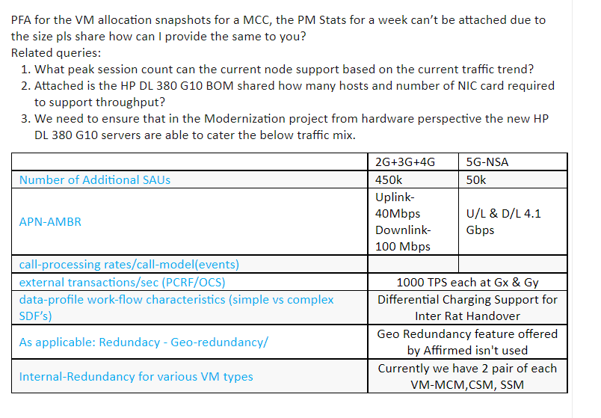
 | Year 1 | Year 2 | Year 3 | Year 4 | Year 5 |  | 10% of mem

Integrated Case:
Total number of sessions | 500,000 | 0 | 0 | 0 | 0
Total traffic (Gbps) | 33 | 0 | 0 | 0 | 0
Number of sites (For Integrated MCC) | 2 | 2 | 2 | 2 | 2
Sessions per site | 500,000 | 0 | 0 | 0 | 0
Throughput per site (Gbps) | 33 | 0 | 0 | 0 | 0

Per site: |  |  |  |  |  | Number of vCPUs per site
Number of CPM per site | 3 | 0 | 0 | 0 | 0 | CPM vCPUs per site | 84 | 0 | 0 | 0 | 0
Number of ISM/SSM per site | 3 | 0 | 0 | 0 | 0 | ISM/SSM vCPUs per site | 108 | 0 | 0 | 0 | 0
Number of MCM per site | 2 | 2 | 2 | 2 | 2 | MCM vCPUs per site | 32 | 32 | 32 | 32 | 32
Total all sites: |  |  |  |  |  | Number of vCPUs total all sites
Number of CPM per site | 6 | 0 | 0 | 0 | 0 | CPM vCPUs total all sites | 168 | 0 | 0 | 0 | 0
Number of ISM/SSM per site | 6 | 0 | 0 | 0 | 0 | ISM/SSM vCPUs total all sites | 216 | 0 | 0 | 0 | 0
Number of MCM per site | 4 | 4 | 4 | 4 | 4 | MCM vCPUs total all sites | 64 | 64 | 64 | 64 | 64

CUPS Case:
Per CP site:
Total number of sessions | 500,000 | 0 | 0 | 0 | 0
Total traffic (Gbps)
Per CP site:
Number of CPM per site | 3 | 0 | 0 | 0 | 0 | CPM vCPUs per site | 84 | 0 | 0 | 0 | 0
Number of SSM per site | 2 | 2 | 2 | 2 | 2 | SSM vCPUs per site | 72 | 72 | 72 | 72 | 72
Number of MCM per site | 2 | 2 | 2 | 2 | 2 | MCM vCPUs per site | 32 | 32 | 32 | 32 | 32
CP Total all sites:
Number of CPM per site | 6 | 0 | 0 | 0 | 0 | CPM vCPUs per site | 168 | 0 | 0 | 0 | 0
Number of SSM per site | 4 | 4 | 4 | 4 | 4 | SSM vCPUs per site | 144 | 144 | 144 | 144 | 144
Number of MCM per site | 4 | 4 | 4 | 4 | 4 | MCM vCPUs per site | 64 | 64 | 64 | 64 | 64

Per UP Site:
Total number of sessions
Total traffic (Gbps) | 33 | 0 | 0 | 0 | 0
Per UP site:
Number of CPM per site | 2 | 1 | 1 | 1 | 1 | CPM vCPUs per site | 56 | 28 | 28 | 28 | 28
Number of ISM/SSM per site | 3 | 0 | 0 | 0 | 0 | ISM/SSM vCPUs per site | 108 | 0 | 0 | 0 | 0
Number of MCM per site | 2 | 2 | 2 | 2 | 2 | MCM vCPUs per site | 32 | 32 | 32 | 32 | 32
UP Total all sites:
Number of CPM per site | 4 | 2 | 2 | 2 | 2 | CPM vCPUs per site | 112 | 56 | 56 | 56 | 56
Number of ISM/SSM per site | 6 | 0 | 0 | 0 | 0 | ISM/SSM vCPUs per site | 216 | 0 | 0 | 0 | 0
Number of MCM per site | 4 | 4 | 4 | 4 | 4 | MCM vCPUs per site | 64 | 64 | 64 | 64 | 64

Dimensioning - Outputs
 |  |  |  |  |  |  |  |  |  |  |  |  |  | Integrated
 | ISM
 | CPM |  |  |  |  |  |  |  |  |  |  |  |  | 2022 |  |  | 2023 |  |  | 2024 |  |  | 2025 |  |  | 2026
Sizing Label | REQS-14487
 | #vcpus | #I/O Vcpus | #HD vcpus | #proxy Vcpus | memory | Capacity - Gbps | SHD - Total Gbps | SHD - Proxy Gbps | Capacity - MPPS | Capacity - Session Count | N/S Bandwidth | E/W Bandwdth | CP Bandwidth - PPS | Primary | Backup | total | Primary | Backup | total | Primary | Backup | total | Primary | Backup | total | Primary | Backup | total
ISM | 36 | 3 | 27 | 0 | 160 | 23.3 | 23.3 | 0.0 |  | 794,595 | 23.3 | 0.0 | N/A | 2 | 1 | 3 | 0 | 0 | 0 | 0 | 0 | 0 | 0 | 0 | 0 | 0 | 0 | 0
CPM - CP | 28 | 2 | N/A | N/A | 160 | N/A |  |  | N/A | 417,333 |  |  |  | 2 | 1 | 3 | 0 | 1 | 1 | 0 | 1 | 1 | 0 | 1 | 1 | 0 | 1 | 1
MCM | 16 | N/A | N/A | N/A | 32 | N/A |  |  | N/A | N/A | N/A | N/A | N/A | 1 | 1 | 2 | 1 | 1 | 2 | 1 | 1 | 2 | 1 | 1 | 2 | 1 | 1 | 2

 |  |  |  |  |  |  |  |  |  |  |  |  |  | CUPS

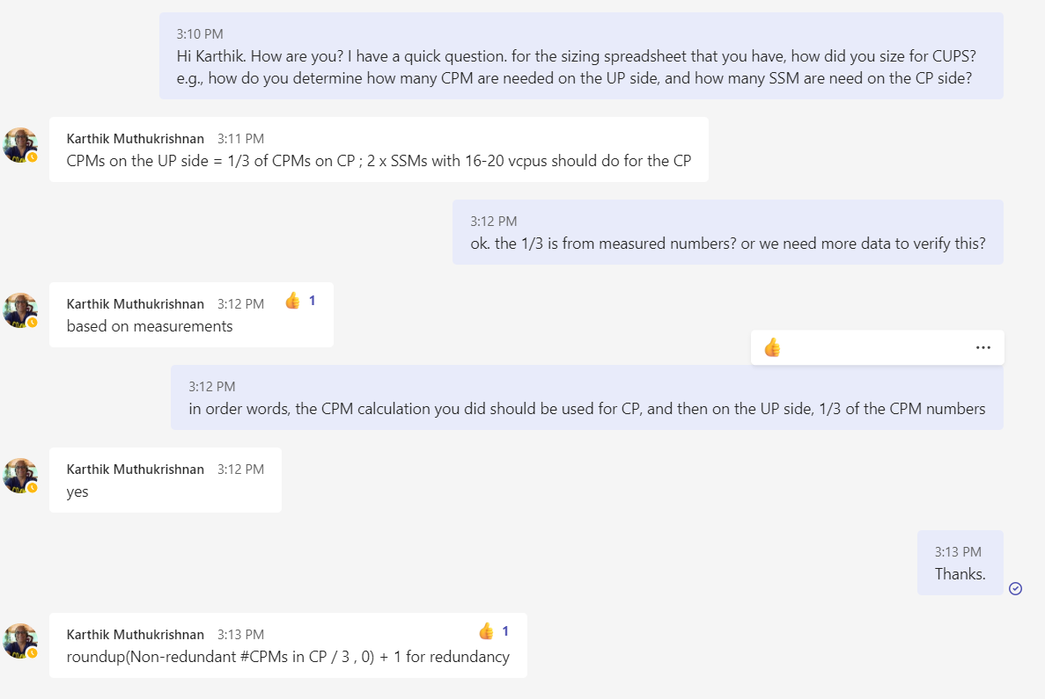
 |  |  |  |  |  |  |  |  |  |  |  |  | C-Plane
 |  |  |  |  |  |  |  |  |  |  |  |  |  | Primary | Backup | total | Primary | Backup | total | Primary | Backup | total | Primary | Backup | total | Primary | Backup | total
 |  |  |  |  |  |  |  |  |  |  |  |  | SSM | 1 | 1 | 2 | 1 | 1 | 2 | 1 | 1 | 2 | 1 | 1 | 2 | 1 | 1 | 2
 |  |  |  |  |  |  |  |  |  |  |  |  | CPM - CP | 2 | 1 | 3 | 0 | 0 | 0 | 0 | 0 | 0 | 0 | 0 | 0 | 0 | 0 | 0
 |  |  |  |  |  |  |  |  |  |  |  |  | MCM | 1 | 1 | 2 | 1 | 1 | 2 | 1 | 1 | 2 | 1 | 1 | 2 | 1 | 1 | 2

 |  |  |  |  |  |  |  |  |  |  |  |  |  | Summary
 |  |  |  |  |  |  |  |  |  |  |  |  |  | 2022 | 2023 | 2024 | 2025 | 2026
 |  |  |  |  |  |  |  |  |  |  |  |  | CPM | 3 | 0 | 0 | 0 | 0
 |  |  |  |  |  |  |  |  |  |  |  |  | SSM | 2 | 2 | 2 | 2 | 2
 |  |  |  |  |  |  |  |  |  |  |  |  | MCM | 2 | 2 | 2 | 2 | 2

 |  |  |  |  |  |  |  |  |  |  |  |  | U-Plane
 |  |  |  |  |  |  |  |  |  |  |  |  |  | Primary | Backup | total | Primary | Backup | total | Primary | Backup | total | Primary | Backup | total | Primary | Backup | total
 |  |  |  |  |  |  |  |  |  |  |  |  | SSM | 2 | 1 | 3 | 0 | 0 | 0 | 0 | 0 | 0 | 0 | 0 | 0 | 0 | 0 | 0
 |  |  |  |  |  |  |  |  |  |  |  |  | CPM - CP | 1 | 1 | 2 | 0 | 1 | 1 | 0 | 1 | 1 | 0 | 1 | 1 | 0 | 1 | 1
 |  |  |  |  |  |  |  |  |  |  |  |  | MCM | 1 | 1 | 2 | 1 | 1 | 2 | 1 | 1 | 2 | 1 | 1 | 2 | 1 | 1 | 2

 |  |  |  |  |  |  |  |  |  |  |  |  |  | Summary
 |  |  |  |  |  |  |  |  |  |  |  |  |  | 2022 | 2023 | 2024 | 2025 | 2026
 |  |  |  |  |  |  |  |  |  |  |  |  | CPM - CP | 2 | 1 | 1 | 1 | 1
 |  |  |  |  |  |  |  |  |  |  |  |  | SSM | 3 | 0 | 0 | 0 | 0
 |  |  |  |  |  |  |  |  |  |  |  |  | MCM | 2 | 2 | 2 | 2 | 2

